Process Flow
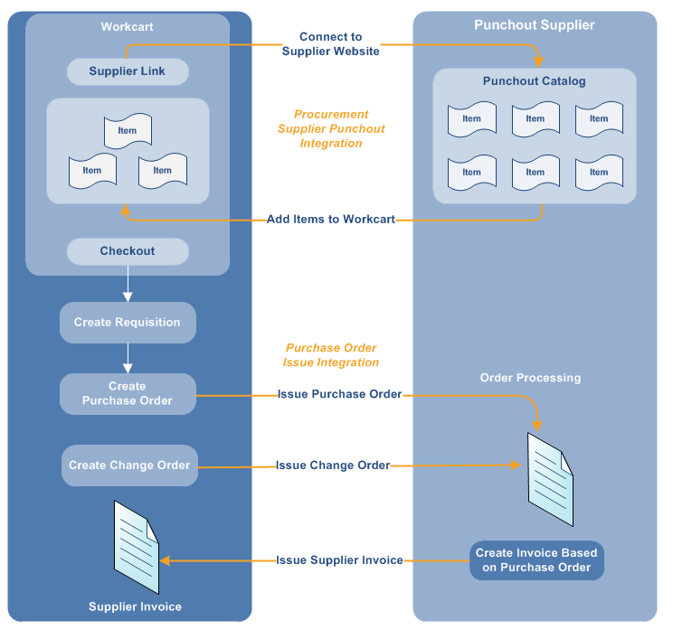
Process Flow

Process Flow Diagram

